screen_dashboard
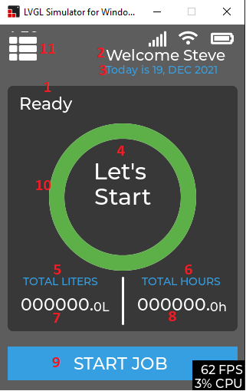
STT | function call | Display value | varible name | Note | file
1 | lv_label_set_text(pxExt->pxTextLabel, pcText); is set in function vSetResumeInfoState(IW_create, RESUMEINFO_WORK_IN_PROGRESS , "Work Progress"); | Ready Work in progress Job finished Wait in progress |  | set lable | ResumeInfoWidget.c
2 | lv_label_set_text(_xWelcomeMsgLabel, "Welcome Steve"); | Welcome Steve | _xWelcomeMsgLabel | set well come message | screen_dashboard.c
3 | lv_label_set_text(_xTodaysDateLabel, today_Date_Msg); | Today is 19, DEC 2021 | _xTodaysDateLabel | set Today message | screen_dashboard.c
4 | lv_label_set_text(pxExt->pxPercentValue, "Let's \nStart"); lv_label_set_text(pxExt->pxPercentValue, " \nPower \nissue"); lv_label_set_text_fmt(pxExt->pxPercentValue, "\nStarts at\n %s \n%s\n", startTime, guiDate); //startTime lv_label_set_text(pxExt->pxPercentValue, "\n finished \nsuccessfully"); lv_label_set_text_fmt(pxExt->pxPercentValue, " Alert \n service \nneeded", 12); lv_label_set_text_fmt(pxExt->pxPercentValue, "\nMetrology\n in \n %02d Days", 12); lv_label_set_text_fmt(pxExt->pxPercentValue, "%s", " Export \n in \nprogress "); | Let start Power issuse Start att *** finished successfully Alert service ** Metrology Export | pxExt->pxPercentValue | set text of the lable start | ResumeInfoWidget.c
5 | lv_label_set_text(fix_liters_Label, "TOTAL LITERS"); | TOTAL LITERS | fix_liters_Label |  | ResumeInfoWidget.c
6 | lv_label_set_text(fix_hour_Label, "TOTAL HOURS"); | TOTAL HOURS | fix_hour_Label |  | ResumeInfoWidget.c
7 | vSetResumeInfoLitersInt(IW_create, TotalliterInt); vSetResumeInfoLitersFloat(IW_create,TotalLiterFloat); | Total liters |  |  | screen_dashboard.c
8 | vSetResumeInfoHour(IW_create, totalHourInt, totalHourFloat) ; | Total hours |  |  | screen_dashboard.c
9 |  | START JOB VIEW SUMMARY STOP VALID FORCE STOP VIEW SUMMARY FORCE START | dashboardBTNTxt | set text of the button | ResumeInfoWidget.c
10 | vSetResumeInfoPercent(IW_create, 0) | set percent circle |  |  | ResumeInfoWidget.c
11 | button | display or hiden menu list (sheet Menu List) | xMenulist1 |  | screen_dashboard.c

Menu List
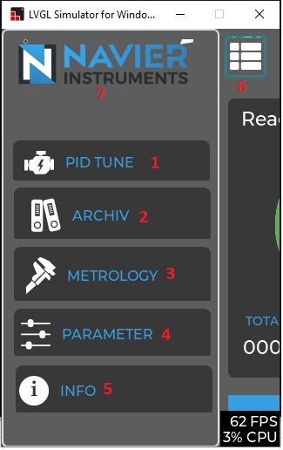
STT | function call | Display value | varible name | Note | file
1 | list_btn = lv_list_add_btn(xMenulist1, &service_icon, "PID TUNE"); //LV_SYMBOL_FILE | PID TUNE | add button to list button "list_btn" | button | screen_dashboard.c
2 | list_btn = lv_list_add_btn(xMenulist1, &archiv_icon, "ARCHIV"); | ARCHIV | add button to list button "list_btn" | button | screen_dashboard.c
3 | list_btn = lv_list_add_btn(xMenulist1, &metrology_icon, "METROLOGY"); | METROLOGY | add button to list button "list_btn" | button | screen_dashboard.c
4 | list_btn = lv_list_add_btn(xMenulist1, &parameter_icon, "PARAMETER"); | PARAMETER | add button to list button "list_btn" | button | screen_dashboard.c
5 | list_btn = lv_list_add_btn(xMenulist1, &info_icon, "INFO"); | INFO | add button to list button "list_btn" | button | screen_dashboard.c
6 | event button press: event_handler_xListBtn |  |  | button | screen_dashboard.c

Menu List PID
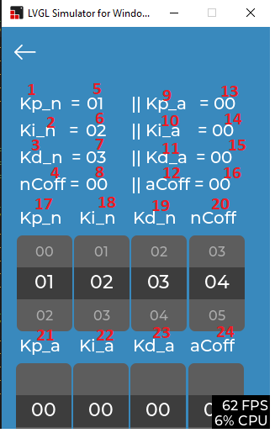
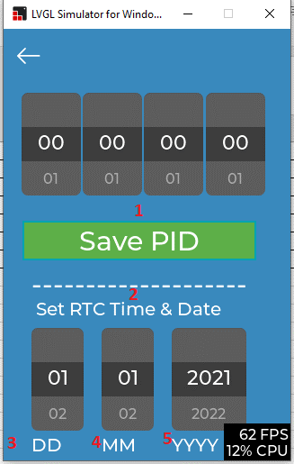
STT | function call | Display value | varible name | Note | file
1 | lv_label_set_text(CurrKpLbl, "Kp_n ="); | Kp_n = | CurrKpLbl | set label | screen_PIDtune.c
2 | lv_label_set_text(CurrKiLbl, "Ki_n ="); | Ki_n = |  | set label | screen_PIDtune.c
3 | lv_label_set_text(CurrKdLbl, "Kd_n ="); | Kd_n = |  | set label | screen_PIDtune.c
4 | lv_label_set_text(nCoffTxtLbl, "nCoff ="); | nCoff = |  | set label | screen_PIDtune.c
5 | lv_label_set_text_fmt(CurrKpLblVal, "%s", KpRollerBuf ); | "01" |  | the value will set when user push "save PID" button | screen_PIDtune.c
6 | lv_label_set_text_fmt(CurrKiLblVal, "%s", KiRollerBuf ); | "02" |  | the value will set when user push "save PID" button | screen_PIDtune.c
7 | lv_label_set_text_fmt(CurrKdLblVal, "%s", KdRollerBuf ); | "03" |  | the value will set when user push "save PID" button | screen_PIDtune.c
8 | lv_label_set_text(nCoffLbl, "00"); only call when init screen | "00" |  | only call when init screen, not update when select value in scroll need to fix | screen_PIDtune.c
9 | lv_label_set_text(CurrKp_aLbl, "|| Kp_a ="); | || Kp_a = |  | set label | screen_PIDtune.c
10 | lv_label_set_text(CurrKi_aLbl, "|| Ki_a ="); | || Ki_a = |  | set label | screen_PIDtune.c
11 | lv_label_set_text(CurrKd_aLbl, "|| Kd_a ="); | || Kd_a = |  | set label | screen_PIDtune.c
12 | lv_label_set_text(aCoffTxtLbl, "|| aCoff ="); | || aCoff = |  | set label | screen_PIDtune.c
13 | lv_label_set_text(CurrKp_aVal, "00"); only call when init screen | "00" |  | only call when init screen, not update when select value in scroll need to fix | screen_PIDtune.c
14 | lv_label_set_text(CurrKi_aVal, "00"); only call when init screen | "00" |  | only call when init screen, not update when select value in scroll need to fix | screen_PIDtune.c
15 | lv_label_set_text(CurrKd_aVal, "00"); only call when init screen | "00" |  | only call when init screen, not update when select value in scroll need to fix | screen_PIDtune.c
16 | lv_label_set_text(aCoffTxtVal, "00"); only call when init screen | "00" |  | set label | screen_PIDtune.c
17 | lv_label_set_text(SetKpLbl, "Kp_n"); | Kp_n |  | set label | screen_PIDtune.c
18 | lv_label_set_text(SetKiLbl, "Ki_n"); | Ki_n |  | set label | screen_PIDtune.c
19 | lv_label_set_text(SetKdLbl, "Kd_n"); | Kd_n |  | set label | screen_PIDtune.c
20 | lv_label_set_text(SetnCoffLbl, "nCoff"); | nCoff |  | set label | screen_PIDtune.c
21 | lv_label_set_text(SetKp_aLbl, "Kp_a"); | Kp_a |  | set label | screen_PIDtune.c
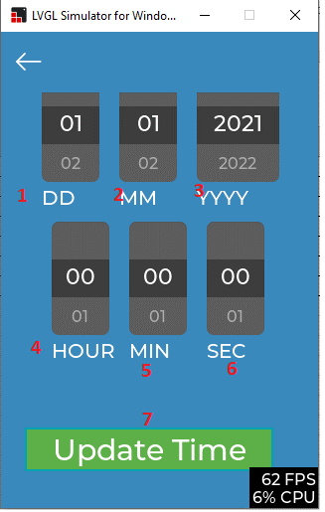
22 | lv_label_set_text(SetKi_aLbl, "Ki_a"); | Ki_a |  | set label | screen_PIDtune.c
23 | lv_label_set_text(SetKd_aLbl, "Kd_a"); | Kd_a |  | set label | screen_PIDtune.c
24 | lv_label_set_text(SetaCoffLbl, "aCoff"); | aCoff |  | set label | screen_PIDtune.c
1 | lv_label_set_text(pidSaveLabel, "Save PID") | Save PID |  | button set call back "pidSaveBTN_event_handler" update value of PID | screen_PIDtune.c
2 | lv_label_set_text(SetTimeLabel, "Set RTC Time & Date"); | Set RTC Time & Date |  | set label | screen_PIDtune.c
3 | lv_label_set_text(SetDDTxtLabel, "DD"); | DD |  | set label | screen_PIDtune.c
4 | lv_label_set_text(SetMMTxtLabel, "MM"); | MM |  | set label | screen_PIDtune.c
5 | lv_label_set_text(SetYYYYTxtLabel, "YYYY"); | YYYY |  | set label | screen_PIDtune.c
1 | lv_label_set_text(SetDDTxtLabel, "DD"); | DD |  | set label | screen_PIDtune.c
2 | lv_label_set_text(SetMMTxtLabel, "MM"); | MM |  | set label | screen_PIDtune.c
3 | lv_label_set_text(SetYYYYTxtLabel, "YYYY"); | YYYY |  | set label | screen_PIDtune.c
4 | lv_label_set_text(SetHourTxtLabel, "HOUR"); | HOUR |  | set label
5 | lv_label_set_text(SetMinuteTxtLabel, "MIN"); | MIN |  | set label
6 | lv_label_set_text(SetSecondTxtLabel, "SEC"); | SEC |  | set label
7 | lv_label_set_text(pidTimeSaveLabel, "Update Time"); |  |  | button update time call back "timeSaveBTN_event_handler"

Menu List ARCHIV
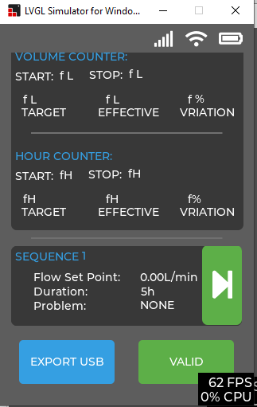
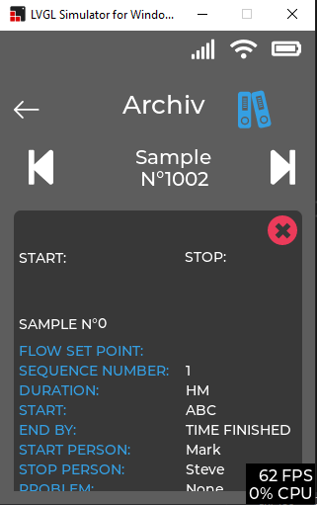
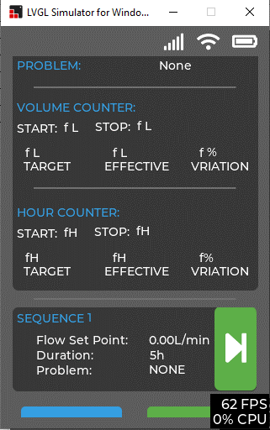
STT | function call | Display value | varible name | Note | file
1
2
3
4
5
6

Menu List METROLOGY
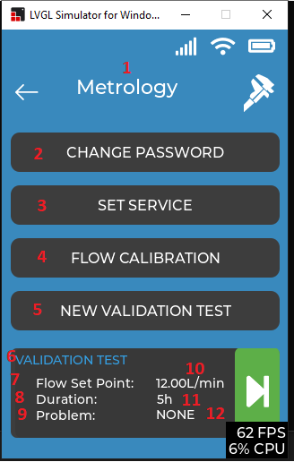
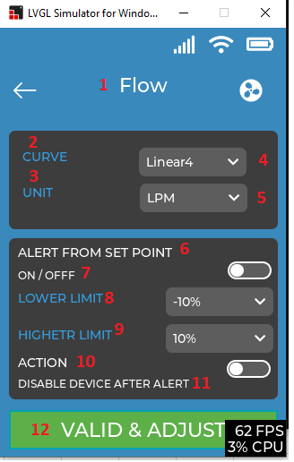
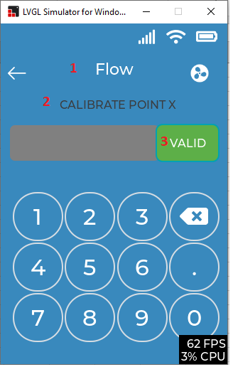
STT | function call | Display value | varible name | Note | file
1 | lv_label_set_text(__smmMetroHeadingLbl, "Metrology"); | Metrology | set lable |  | screen_metro_menu.c
2 | lv_label_set_text(_smmSensorParBtnLbl1, "CHANGE PASSWORD"); | CHANGE PASSWORD | set lable |  | screen_metro_menu.c
3 | lv_label_set_text(_smmSensorParBtnLbl, "SET SERVICE"); | SET SERVICE | set lable |  | screen_metro_menu.c
4 | lv_label_set_text(_smmNewCalBtnLbl, "FLOW CALIBRATION"); | FLOW CALIBRATION | set lable |  | screen_metro_menu.c
5 | lv_label_set_text(_smmNewVerTestBtnLbl, "NEW VALIDATION TEST"); | NEW VALIDATION TEST | set lable |  | screen_metro_menu.c
6 | sqSetHeading(_smmVTC, "VALIDATION TEST"); | VALIDATION TEST | set lable |  | screen_metro_menu.c
7 | lv_label_set_text(_sqFlowSetPtTxt, "Flow Set Point:"); | Flow Set Point: | set lable |  | sequence_widget.c
8 | lv_label_set_text(_sqDurationTxt, "Duration:"); | Duration: | set lable |  | sequence_widget.c
9 | lv_label_set_text(_sqProblemTxt, "Problem:"); | Problem: | set lable |  | sequence_widget.c
10 | lv_label_set_text(_sqFlowSetPtUnit, "L/min"); | L/min | set lable |  | sequence_widget.c
11 |  |  |  |  | screen_metro_menu.c
12 | sqSetProblem(_smmVTC, "NONE"); | "NONE" | set lable
1 | lv_label_set_text(__mfsFlowHeadingLbl, "Flow"); | Flow | set lable |  | screen_metro_flowsetting.c
2 | lv_label_set_text(_mfsCurveTxt, "CURVE"); | CURVE | set lable |  | screen_metro_flowsetting.c
3 | lv_label_set_text(_mfsUnitTxt, "UNIT"); | UNIT | set lable |  | screen_metro_flowsetting.c
4 | lv_dropdown_set_options(_mfsCurveDropDown, | Linear4 Linear5 Linear6 Linear7 Linear8 | set lable of scroll |  | screen_metro_flowsetting.c
5 | lv_dropdown_set_options(_mfsUnitDropDown, | LPM LPH | set lable of scroll |  | screen_metro_flowsetting.c
6 | lv_label_set_text(_mfsAlarmSetPointTxt, "ALERT FROM SET POINT"); | ALERT FROM SET POINT | set lable |  | screen_metro_flowsetting.c
7 | lv_label_set_text(_mfsOnOffTxt, "ON / OFFF"); | ON / OFFF | set lable |  | screen_metro_flowsetting.c
8 | lv_label_set_text(_mfsLowerLimitTxt, "LOWER LIMIT"); | LOWER LIMIT | set lable |  | screen_metro_flowsetting.c
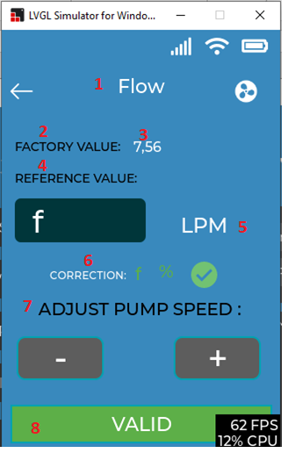
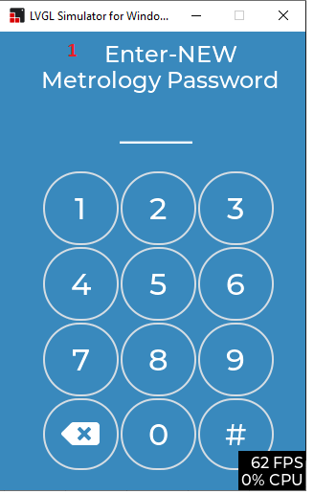
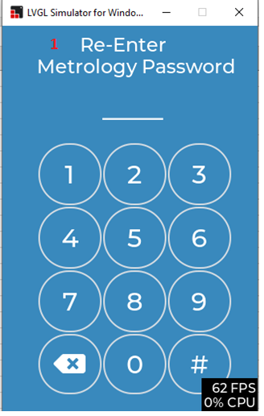
9 | lv_label_set_text(_mfsHigherLimitTxt, "HIGHETR LIMIT"); | HIGHETR LIMIT | set lable |  | screen_metro_flowsetting.c
10 | lv_label_set_text(_mfsActionTxt, "ACTION"); | ACTION | set lable |  | screen_metro_flowsetting.c
11 | lv_label_set_text(_mfsDisableDeviceTxt, "DISABLE DEVICE AFTER ALERT"); | DISABLE DEVICE AFTER ALERT | set lable |  | screen_metro_flowsetting.c
12 | lv_label_set_text(_mfsValidTxt, "VALID & ADJUST"); | VALID & ADJUST | set lable |  | screen_metro_flowsetting.c
1 | lv_label_set_text(__fcsMetroHeadingLbl, "Flow"); | Flow | set lable |  | screen_metro_flowadj.c
2 | lv_label_set_text(_fcsCalPtXLbl, "CALIBRATE POINT X"); | CALIBRATE POINT X | set lable |  | screen_metro_flowadj.c
3 | lv_label_set_text(_fcsValidBtnLbl, "VALID"); | VALID | set lable of a button |  | screen_metro_flowadj.c
1 | lv_label_set_text(__fasFlowHeadingLbl, "Flow"); |  |  |  | Screen_metro_flowcal.c
2 | lv_label_set_text(_fasFactoryValTxt, "FACTORY VALUE:"); |  |  |  | Screen_metro_flowcal.c
3 | lv_label_set_text(_fasFactoryValVar, "7,56"); |  |  |  | Screen_metro_flowcal.c
4 | lv_label_set_text(_fasReferenceValTxt, "REFERENCE VALUE:"); |  |  |  | Screen_metro_flowcal.c
5 |  |  |  |  | Screen_metro_flowcal.c
6 | lv_label_set_text(_fasCorrectionTxtLbl, "CORRECTION:"); |  |  |  | Screen_metro_flowcal.c
7 | lv_label_set_text(_fasAdjustFlowLbl, "ADJUST PUMP SPEED :"); |  |  |  | Screen_metro_flowcal.c
8 | lv_label_set_text(_fasValidTxt, "VALID"); |  |  |  | Screen_metro_flowcal.c
1 | lv_label_set_text(pswdmsg," Enter-NEW \nMetrology Password"); |  | set lable |  | screen_metro_pswd.c
1 | lv_label_set_text(pswdmsg," Re-Enter \nMetrology Password"); |  | set lable |  | screen_metro_pswd.c

Menu List PARAMETER
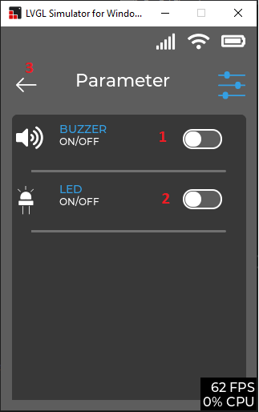
STT | function call | Display value | varible name | Note | file
1
2
3
4
5
6

Menu List INFO
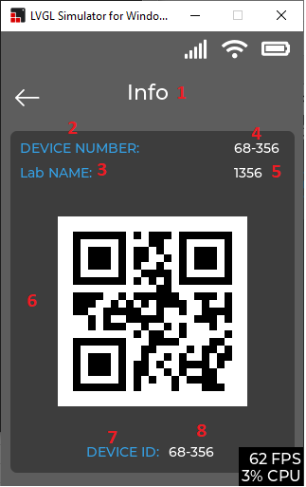
STT | function call | Display value | varible name | Note | file
1 | lv_label_set_text(_infoHedingLbl, "Info"); | Info |  | set label | screen_info.c
2 | lv_label_set_text(_infoDeviceNumTxtLbl, "DEVICE NUMBER:"); | DEVICE NUMBER |  | set label | screen_info.c
3 | lv_label_set_text(_infoLabNameTxtLbl, "Lab NAME:"); | Lab NAME |  | set label | screen_info.c
4 | lv_label_set_text(_infoDeviceNumValLbl, "68-356"); | 68-356 |  | set label | screen_info.c
5 | lv_label_set_text(_infoLabNameValLbl, "1356"); | 1356 |  | set label | screen_info.c
6 | lv_img_set_src(_infoQRcodeImg, &QRcode_logo); | QR code | _infoQRcodeImg | display QR code | screen_info.c
7 | lv_label_set_text(_infoDeviceIDTxtLbl, "DEVICE ID:"); | DEVICE ID: |  | set label | screen_info.c
8 | lv_label_set_text(_infoDeviceIDValLbl, "68-356"); | 68-356 |  | set label | screen_info.c

Start Job
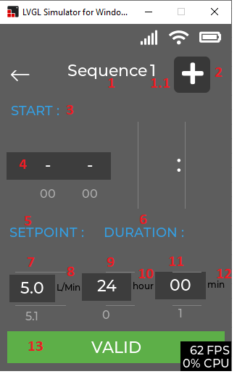
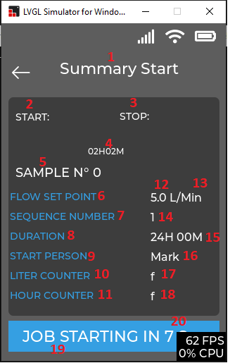
STT | function call | Display value | varible name | Note | file
1 | lv_label_set_text(_xaParameterHeading_Adv, Seq_Name ); | Sequence | Seq_Name |  | screen_preset.c
1.1 | v_label_set_text(_xaSeq_Num_Adv, Seq_Number ); | "1", "2" … "15" | _xaSeq_Num_Adv |  | screen_preset.c
2 | _xaGoToNextCont_Adv = lv_cont_create(xaParentContainer_Adv, NULL); |  |  | set button image | screen_preset.c
3 | lv_label_set_text(_xaStartLabel_Adv, "START : "); | START : |  | set lable | screen_preset.c
4 | _xaHourroller = lv_roller_create(_xaDMYCon_Adv, NULL); _xaMinutroller = lv_roller_create(_xaDMYCon_Adv, NULL); |  | _xaHourroller _xaMinutroller | set roller hour and minute | screen_preset.c
5 | lv_label_set_text(_xaSPLabel_Adv, "SETPOINT : "); | SETPOINT : |  | set lable | screen_preset.c
6 | lv_label_set_text(_xaDurLabel_Adv, "DURATION : "); | DURATION : |  | set lable | screen_preset.c
7 | _xsSProller = lv_roller_create(_xaSPDurCon_Adv, NULL); |  |  | Roller to hold SETPOINT Value | screen_preset.c
8 | lv_label_set_text(_xaLPMTxtLabel_Adv, "L/Min"); | L/Min |  | set lable | screen_preset.c
9 | _xsDurHourroller = lv_roller_create(_xaSPDurCon_Adv, NULL); |  |  | Roller to hold Duration Hours Value | screen_preset.c
10 | lv_label_set_text(_xaDurHourTxtLabel_Adv, "hour"); | hour |  | set lable | screen_preset.c
11 | _xsDurMinutroller = lv_roller_create(_xaSPDurCon_Adv, NULL); |  |  | Roller to hold Duration Minut Value | screen_preset.c
12 | lv_label_set_text(_xaDurMinTxtLabel_Adv, "min"); | min |  | set lable | screen_preset.c
13 | lv_label_set_text(_xaValidButtonLabel, "VALID"); | VALID |  | set lable for button
1 | lv_label_set_text(__xssSummaryHeadingLbl_ss, "Summary Start"); | Summary Start |  |  | screen_summary_start.c
2 | lv_label_set_text(__xssStartTxtLbl_ss, "START:"); | START : |  | set lable | screen_summary_start.c
3 | lv_label_set_text(__xssStopTxtLbl_ss, "STOP:"); |  |  |  | screen_summary_start.c
4 | lv_label_set_text_fmt(__xssStartTimeLbl_ss, "%sH %sM",_xaHourrollerbuf, _xaMinutrollerbuf); |  |  |  | screen_summary_start.c
5 | lv_label_set_text_fmt(__xssSampleNunLbl_ss, "SAMPLE N° %d", sampleNumber); |  |  | set lable and value of sample number | screen_summary_start.c
6 | lv_label_set_text(__xssFlowStPTxtLbl_ss, "FLOW SET POINT"); | FLOW SET POINT |  | set lable | screen_summary_start.c
7 | lv_label_set_text(__xssSeqNumTxtLbl_ss, "SEQUENCE NUMBER"); | SEQUENCE NUMBER |  | set lable | screen_summary_start.c
8 | lv_label_set_text(__xssDurationTxtLbl_ss, "DURATION"); | DURATION |  | set lable | screen_summary_start.c
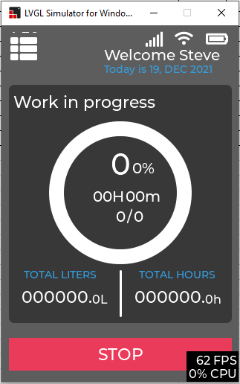
9 | lv_label_set_text(__xssPersonTxtLbl_ss, "START PERSON"); | START PERSON |  | set lable | screen_summary_start.c
10 | lv_label_set_text(__xssLtrCntrTxtLbl_ss, "LITER COUNTER"); | LITER COUNTER |  | set lable | screen_summary_start.c
11 | lv_label_set_text(__xssHrCntrTxtLbl_ss, "HOUR COUNTER"); | HOUR COUNTER |  | set lable | screen_summary_start.c
12 | lv_label_set_text_fmt(__xssFlowStPValueLbl_ss, "%s L/Min", _xsSProllerbuf); |  |  |  | screen_summary_start.c
13 |  |  |  |  | screen_summary_start.c
14 | lv_label_set_text(__xssSeqNumValueLbl_ss, WseqNum1); | "1" or "2" …. "20" |  | value of "WseqNum1" will set in file "screen_preset.c" | screen_summary_start.c
15 | lv_label_set_text_fmt(__xssDurationValueLbl_ss, "%sH %sM ",_xsDurHourrollerbuf, _xsDurMinutrollerbuf); |  |  |  | screen_summary_start.c
16 | lv_label_set_text(__xssPersonNameLbl_ss, _pPersonName_); | "Mark" |  |  | screen_summary_start.c
17 | lv_label_set_text_fmt(__xssLtrCntrValLbl_ss, "%0.2lf" ,total_liters1); |  |  |  | screen_summary_start.c
18 | lv_label_set_text_fmt(__xssHrCntrValLbl_ss, "%0.2f", totalhourVal); |  |  |  | screen_summary_start.c
19 | lv_label_set_text(__xssStartJobTxtLabel_ss, "JOB STARTING IN 10 Sec"); | JOB STARTING IN 10 Sec |  |  | screen_summary_start.c
20 | lv_label_set_text_fmt(__xssStartJobTxtLabel_ss, "JOB STARTING IN %d Sec", revstrttmrcount); | revstrttmrcount |  | set value countdown strttmrcount | screen_summary_start.c
1 | see in "screen_dashboard" sheet
2
3
4
5

